Comparison
30+ Delinquencies | Cumulative Net Loss

 | MFT 2021-1 | MFT 2021-2 | MFT 2021-3 | MFT 2022-1 | MFT 2022-2 | MFT 2022-3 | MFT 2023-1 | MFT 2023-2 | MFT 2023-3 | MFT 2023-4 | MFT 2024-1
 | 0.05% | 0.26% | 0.20% | 0.61% | 0.41% | 0.56% | 0.29% | 0.20% | 0.41% | 0.25% | 0.11%
 | 0.20% | 0.44% | 0.62% | 1.09% | 1.14% | 1.11% | 0.67% | 0.57% | 0.77% | 0.95% | 0.66%
 | 0.46% | 0.91% | 1.05% | 1.94% | 1.69% | 2.04% | 1.40% | 1.49% | 1.86% | 1.56% | 1.14%
 | 0.66% | 0.99% | 1.24% | 1.94% | 2.43% | 2.42% | 1.77% | 2.22% | 2.25% | 1.89% | 1.33%
 | 0.83% | 1.43% | 1.63% | 2.60% | 2.60% | 2.58% | 2.39% | 2.42% | 3.10% | 2.41% | 1.81%
 | 1.03% | 1.45% | 1.73% | 2.80% | 3.34% | 3.10% | 2.79% | 3.17% | 3.28% | 2.55% | 1.83%
 | 1.13% | 1.47% | 2.02% | 2.98% | 3.63% | 3.18% | 2.81% | 3.06% | 3.05% | 3.05% | 2.33%
 | 1.29% | 1.69% | 1.92% | 3.83% | 3.79% | 3.77% | 3.67% | 3.97% | 3.52% | 3.00% | 2.39%
 | 1.35% | 1.83% | 2.43% | 3.86% | 4.34% | 3.60% | 3.73% | 4.30% | 3.35% | 3.57% | 2.60%
 | 1.56% | 2.33% | 2.89% | 4.50% | 4.03% | 4.35% | 4.31% | 4.28% | 4.20% | 3.98% | 2.76%
 | 1.94% | 2.16% | 3.01% | 4.91% | 5.26% | 4.56% | 4.77% | 4.80% | 4.41% | 3.68%
 | 2.16% | 2.53% | 3.62% | 4.72% | 4.85% | 4.41% | 4.39% | 4.40% | 5.02% | 4.36%
 | 2.27% | 2.64% | 3.52% | 5.23% | 5.84% | 5.31% | 5.10% | 5.19% | 5.32% | 3.93%
 | 1.97% | 2.58% | 3.97% | 4.93% | 5.54% | 5.21% | 5.39% | 4.73% | 4.89% | 4.76%
 | 2.03% | 2.97% | 3.95% | 5.99% | 5.04% | 5.86% | 5.20% | 5.00% | 6.00% | 4.86%
 | 2.16% | 3.10% | 3.74% | 5.15% | 5.99% | 6.07% | 4.68% | 5.79% | 5.49% | 4.87%
 | 2.11% | 3.71% | 4.53% | 5.99% | 5.61% | 5.41% | 5.48% | 5.15% | 6.13% | 4.93%
 | 2.35% | 3.91% | 3.95% | 5.93% | 6.31% | 5.85% | 5.50% | 5.83% | 6.00%
 | 2.40% | 3.86% | 4.52% | 5.28% | 6.53% | 5.31% | 4.82% | 5.30% | 5.84%
 | 3.01% | 4.61% | 4.33% | 6.19% | 5.99% | 6.14% | 5.76% | 6.26% | 5.94%
 | 3.09% | 4.34% | 5.86% | 5.53% | 6.52% | 5.50% | 4.94% | 5.93%
 | 3.00% | 4.90% | 6.10% | 6.59% | 5.78% | 6.27% | 5.62% | 5.62%
 | 3.48% | 4.27% | 5.51% | 7.31% | 6.72% | 6.39% | 5.91% | 5.80%
 | 3.43% | 4.82% | 6.16% | 6.29% | 6.25% | 6.03% | 5.82%
 | 4.04% | 5.38% | 5.85% | 7.22% | 7.55% | 7.07% | 6.27%
 | 3.64% | 5.13% | 6.80% | 5.85% | 8.15% | 6.54%
 | 4.28% | 5.85% | 7.04% | 7.17% | 7.31% | 7.39%
 | 4.81% | 5.53% | 6.50% | 6.30% | 8.31% | 6.89%
 | 4.54% | 6.30% | 7.06% | 7.48% | 6.79% | 6.86%
 | 5.24% | 6.86% | 6.06% | 7.57% | 7.93% | 7.56%
 | 5.07% | 5.82% | 6.73% | 6.74% | 8.07%
 | 5.43% | 6.27% | 5.86% | 8.51% | 8.00%
 | 5.87% | 5.82% | 7.31% | 7.19% | 8.11%
 | 4.91% | 6.64% | 7.29% | 8.56%
 | 5.40% | 5.60% | 6.29% | 8.67%
 | 5.87% | 6.11% | 7.38% | 8.39%
 | 5.27% | 6.60% | 5.83% | 8.65%
 | 4.58% | 6.44% | 7.08%
 | 6.23% | 7.50% | 7.22%
 | 7.53% | 7.08% | 7.40%
 | 7.32% | 7.16% | 7.84%
 | 7.84% | 7.22%
 | 6.83% | 8.28%
 | 7.77% | 9.36%
 | 8.34%
 | 7.91%
 | 8.57%
 | MFT 2021-1 | MFT 2021-2 | MFT 2021-3 | MFT 2022-1 | MFT 2022-2 | MFT 2022-3 | MFT 2023-1 | MFT 2023-2 | MFT 2023-3 | MFT 2023-4 | MFT 2024-1
 | 0.00% | 0.00% | 0.00% | 0.00% | 0.00% | 0.00% | 0.00% | 0.00% | 0.00% | 0.00% | 0.00%
 | 0.00% | 0.00% | 0.01% | 0.00% | 0.01% | 0.01% | 0.00% | 0.00% | 0.00% | 0.00% | 0.00%
 | 0.03% | 0.04% | 0.03% | 0.05% | 0.03% | 0.08% | 0.05% | 0.02% | 0.05% | 0.03% | 0.02%
 | 0.11% | 0.19% | 0.14% | 0.42% | 0.59% | 0.42% | 0.22% | 0.19% | 0.35% | 0.26% | 0.15%
 | 0.21% | 0.36% | 0.38% | 0.81% | 1.07% | 0.74% | 0.66% | 0.51% | 0.69% | 0.68% | 0.41%
 | 0.37% | 0.64% | 0.61% | 1.23% | 1.28% | 1.31% | 1.04% | 1.04% | 1.28% | 0.99% | 0.64%
 | 0.51% | 0.77% | 0.89% | 1.79% | 1.74% | 1.62% | 1.45% | 1.59% | 1.85% | 1.50% | 0.97%
 | 0.70% | 1.07% | 1.17% | 2.04% | 2.20% | 2.18% | 1.94% | 2.10% | 2.37% | 1.97% | 1.34%
 | 0.89% | 1.25% | 1.47% | 2.46% | 2.93% | 2.84% | 2.38% | 2.67% | 2.86% | 2.42% | 1.59%
 | 1.03% | 1.41% | 1.72% | 3.11% | 3.36% | 3.28% | 2.93% | 3.09% | 3.40% | 2.89% | 2.05%
 | 1.26% | 1.69% | 2.27% | 3.66% | 3.89% | 3.86% | 3.53% | 3.79% | 3.86% | 3.40%
 | 1.39% | 1.94% | 2.69% | 3.96% | 4.58% | 4.50% | 4.09% | 4.28% | 4.34% | 3.88%
 | 1.70% | 2.17% | 3.02% | 4.72% | 5.17% | 4.98% | 4.69% | 4.82% | 4.90% | 4.34%
 | 1.92% | 2.63% | 3.13% | 5.08% | 5.82% | 5.52% | 5.25% | 5.46% | 5.38% | 4.77%
 | 2.17% | 2.88% | 3.52% | 5.58% | 6.31% | 6.15% | 5.69% | 5.92% | 5.94% | 5.18%
 | 2.33% | 3.06% | 3.80% | 6.17% | 6.83% | 6.66% | 6.24% | 6.43% | 6.40% | 5.56%
 | 2.71% | 3.05% | 4.13% | 6.63% | 7.30% | 7.17% | 6.64% | 6.95% | 6.84% | 6.05%
 | 2.68% | 3.23% | 4.37% | 7.14% | 7.84% | 7.70% | 7.10% | 7.47% | 7.44%
 | 2.82% | 3.44% | 4.69% | 7.53% | 8.24% | 8.14% | 7.50% | 7.79% | 7.85%
 | 2.96% | 3.72% | 5.00% | 7.96% | 8.66% | 8.54% | 7.84% | 8.18% | 8.24%
 | 3.07% | 3.94% | 5.26% | 8.39% | 9.09% | 9.01% | 8.23% | 8.64%
 | 3.15% | 4.12% | 5.54% | 8.76% | 9.48% | 9.48% | 8.61% | 8.93%
 | 3.35% | 4.39% | 5.86% | 9.06% | 9.86% | 9.66% | 8.89% | 9.28%
 | 3.44% | 4.62% | 6.18% | 9.42% | 10.16% | 9.99% | 9.10%
 | 3.58% | 4.80% | 6.41% | 9.76% | 10.49% | 10.27% | 9.44%
 | 3.75% | 4.96% | 6.68% | 10.18% | 10.86% | 10.65%
 | 3.90% | 5.19% | 6.99% | 10.50% | 11.13% | 10.97%
 | 4.02% | 5.40% | 7.21% | 10.77% | 11.47% | 11.36%
 | 4.16% | 5.51% | 7.47% | 11.02% | 11.81% | 11.61%
 | 4.27% | 5.72% | 7.69% | 11.33% | 12.18% | 11.87%
 | 4.38% | 5.84% | 7.92% | 11.57% | 12.48%
 | 4.53% | 5.99% | 8.13% | 11.81% | 12.63%
 | 4.60% | 6.09% | 8.28% | 12.07% | 12.96%
 | 4.73% | 6.20% | 8.46% | 12.25%
 | 4.84% | 6.31% | 8.64% | 12.52%
 | 4.95% | 6.44% | 8.80% | 12.70%
 | 5.03% | 6.53% | 8.93% | 12.89%
 | 5.10% | 6.61% | 9.07%
 | 5.14% | 6.69% | 9.17%
 | 5.20% | 6.76% | 9.24%
 | 5.26% | 6.89% | 9.37%
 | 5.36% | 6.96%
 | 5.46% | 7.00%
 | 5.54% | 7.06%
 | 5.59%
 | 5.64%
 | 5.68%

Extensions

 | MFT 2021-1 | MFT 2021-2 | MFT 2021-3 | MFT 2022-1 | MFT 2022-2 | MFT 2022-3 | MFT 2023-1 | MFT 2023-2 | MFT 2023-3 | MFT 2023-4 | MFT 2024-1
 | 0.48% | 0.47% | 0.39% | 0.56% | 1.28% | 1.16% | 0.89% | 0.96% | 1.29% | 1.15% | 0.79%
 | 0.61% | 0.66% | 0.72% | 1.34% | 2.31% | 2.04% | 1.66% | 1.93% | 2.03% | 2.31% | 1.28%
 | 0.80% | 0.81% | 0.88% | 2.08% | 2.96% | 3.18% | 2.25% | 2.34% | 2.65% | 2.63% | 1.38%
 | 0.78% | 1.02% | 0.82% | 2.41% | 3.10% | 3.43% | 2.81% | 2.86% | 3.06% | 2.55% | 1.75%
 | 1.02% | 1.17% | 0.96% | 3.06% | 3.32% | 3.15% | 2.98% | 2.88% | 3.39% | 2.21% | 1.95%
 | 0.93% | 1.01% | 1.34% | 3.40% | 3.53% | 3.16% | 3.42% | 3.16% | 3.27% | 2.35% | 1.79%
 | 0.99% | 1.05% | 1.80% | 3.65% | 3.49% | 3.30% | 3.41% | 3.63% | 2.80% | 2.61% | 2.16%
 | 0.95% | 0.87% | 2.15% | 3.42% | 3.49% | 3.64% | 3.48% | 3.93% | 2.61% | 2.83% | 2.09%
 | 0.82% | 1.23% | 2.90% | 3.60% | 3.43% | 3.81% | 3.57% | 3.53% | 2.93% | 3.04% | 2.10%
 | 0.98% | 1.75% | 3.01% | 3.92% | 3.33% | 3.95% | 3.40% | 3.11% | 3.13% | 3.05% | 1.93%
 | 0.97% | 1.90% | 3.04% | 3.57% | 3.13% | 3.95% | 3.23% | 2.96% | 3.13% | 2.77%
 | 0.99% | 2.33% | 3.13% | 3.03% | 3.55% | 3.49% | 2.65% | 2.68% | 3.03% | 2.79%
 | 1.29% | 2.41% | 3.18% | 3.14% | 3.54% | 3.71% | 2.37% | 2.65% | 2.65% | 2.90%
 | 1.62% | 2.32% | 3.58% | 3.39% | 3.75% | 3.69% | 2.37% | 2.77% | 2.52% | 3.05%
 | 2.20% | 2.47% | 3.29% | 3.37% | 3.92% | 4.50% | 2.71% | 2.77% | 3.15% | 2.76%
 | 2.30% | 2.51% | 2.94% | 3.66% | 3.93% | 4.07% | 3.15% | 2.83% | 3.42% | 2.40%
 | 2.31% | 3.12% | 2.85% | 4.18% | 4.35% | 3.39% | 3.05% | 2.81% | 3.40% | 2.47%
 | 2.60% | 2.96% | 2.87% | 3.96% | 4.70% | 3.08% | 2.83% | 3.23% | 3.28%
 | 2.58% | 2.60% | 2.99% | 3.59% | 4.21% | 3.41% | 2.81% | 3.35% | 2.75%
 | 3.03% | 2.18% | 3.20% | 3.83% | 3.76% | 3.98% | 3.25% | 3.79% | 2.80%
 | 2.69% | 2.56% | 3.44% | 4.29% | 3.63% | 4.09% | 3.56% | 3.64%
 | 2.27% | 3.00% | 3.79% | 4.55% | 4.07% | 4.08% | 3.75% | 3.16%
 | 2.04% | 3.10% | 3.58% | 4.20% | 3.97% | 3.40% | 3.35% | 2.90%
 | 2.13% | 2.72% | 3.74% | 3.81% | 3.94% | 3.33% | 3.07%
 | 2.81% | 3.28% | 3.69% | 3.75% | 3.38% | 3.96% | 2.80%
 | 2.50% | 3.38% | 4.27% | 3.92% | 3.38% | 3.83%
 | 2.86% | 3.32% | 4.23% | 3.97% | 3.30% | 3.84%
 | 2.85% | 3.94% | 3.55% | 3.76% | 3.51% | 3.91%
 | 2.87% | 3.89% | 2.99% | 3.93% | 4.16% | 3.25%
 | 2.50% | 3.89% | 3.05% | 3.84% | 4.60% | 2.57%
 | 3.21% | 4.09% | 4.10% | 3.34% | 4.38%
 | 3.56% | 3.01% | 3.84% | 4.02% | 3.80%
 | 3.02% | 2.69% | 3.79% | 4.99% | 3.66%
 | 3.33% | 2.88% | 4.01% | 5.33%
 | 3.38% | 2.50% | 3.79% | 4.24%
 | 3.38% | 3.60% | 3.67% | 4.27%
 | 3.21% | 3.60% | 3.36% | 3.29%
 | 3.15% | 2.93% | 4.58%
 | 2.40% | 2.44% | 3.74%
 | 2.84% | 3.61% | 2.79%
 | 2.61% | 3.84% | 2.59%
 | 2.43% | 3.55%
 | 2.71% | 3.75%
 | 2.65% | 3.43%
 | 2.30%
 | 2.36%
 | 2.59%

MFT 2021-1
Deal Notes
Marlette Funding Trust 2021-1 (MFT 2021-1):
- Target overcollateralization: The overcollateralization (“O/C”) target is 11.80% of the current pool balance, subject to a floor of 1.00% of the initial pool balance.
- Required Reserve: The required reserve amount is 0.45% of the initial pool balance. This is a non-declining reserve account which will continue to make up a greater percentage of the pool balance as the pool amortizes.
Commentary:
- Based upon performance to date, KBRA projects losses to be 6.00%, an increase from the level projected during the prior review (November 2024).
- Target O/C was met in month three (August 2021). Current O/C represents 0.63% of the initial pool balance and 23.56% of the current pool balance. While O/C is below its floor, it continues to grow as a percentage of the current pool balance.
- The current reserve amount is 17.03% of the current pool balance.

CNL Analysis
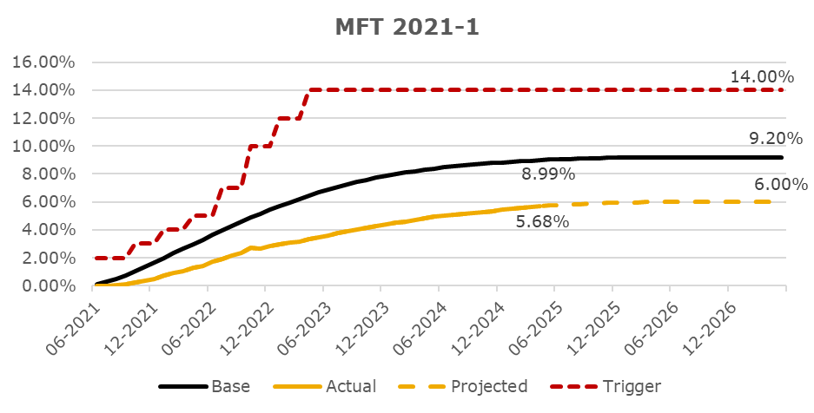

Rating Sensitivity Analysis

MFT 2021-2
Deal Notes
Marlette Funding Trust 2021-2 (MFT 2021-2):
- Target overcollateralization: The overcollateralization (“O/C”) target is 12.35% of the current pool balance, subject to a floor of 1.00% of the initial pool balance.
- Required Reserve: The required reserve amount is 0.45% of the initial pool balance. This is a non-declining reserve account which will continue to make up a greater percentage of the pool balance as the pool amortizes.
Commentary:
- Based upon performance to date, KBRA projects losses to be 7.50%, an increase from the level projected during the prior review (November 2024).
- Target O/C was met in month three (November 2021). Current O/C represents 0.74% of the initial pool balance and 17.66% of the current pool balance. While O/C is below its floor, it continues to grow as a percentage of the current pool balance.
- The current reserve amount is 10.87% of the current pool balance.

CNL Analysis
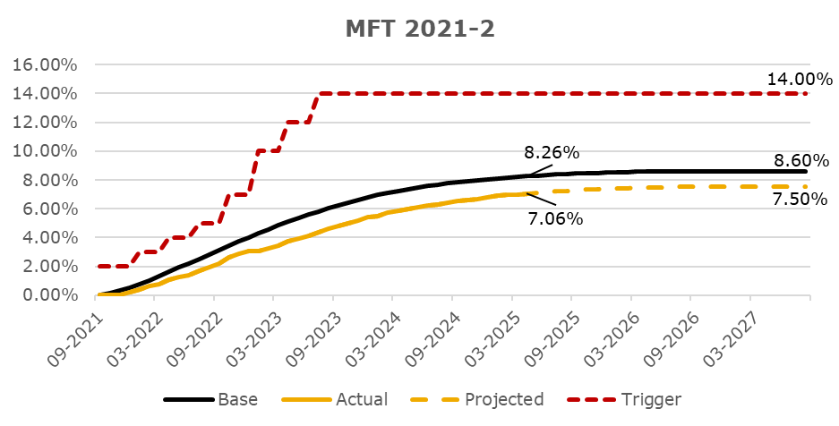

Rating Sensitivity Analysis

MFT 2021-3
Deal Notes
Marlette Funding Trust 2021-3 (MFT 2021-3):
- Target overcollateralization: The overcollateralization (“O/C”) target is 12.65% of the current pool balance, subject to a floor of 1.00% of the initial pool balance.
- Required Reserve: The required reserve amount is 0.45% of the initial pool balance. This is a non-declining reserve account which will continue to make up a greater percentage of the pool balance as the pool amortizes.
Commentary:
- Based upon performance to date, KBRA projects losses to be 10.25%, an increase from the level projected during the prior review (November 2024).
- Target O/C was met in month three (February 2022). Current O/C represents 0.92% of the initial pool balance and 12.79% of the current pool balance. While O/C is below its floor, it continues to grow as a percentage of the current pool balance.
- The current reserve amount is 6.32% of the current pool balance.

CNL Analysis
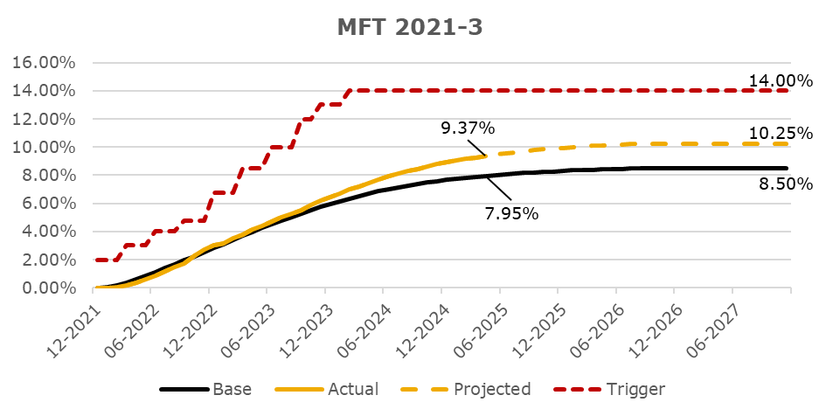

Rating Sensitivity Analysis

MFT 2022-1
Deal Notes
Marlette Funding Trust 2022-1 (MFT 2022-1):
- Target overcollateralization: The overcollateralization (“O/C”) target is 12.75% of the current pool balance, subject to a floor of 1.00% of the initial pool balance.
- Required Reserve: The required reserve amount is 0.45% of the initial pool balance. This is a non-declining reserve account which will continue to make up a greater percentage of the pool balance as the pool amortizes.
Commentary:
- Based upon performance to date, KBRA projects losses to be 14.00%, an increase from the level projected during the prior review (November 2024).
- Target O/C was met in month three (June 2022); however, has generally been declining since the December 2024 distribution period. Current O/C represents 1.31% of the initial pool balance and 11.97% of the current pool balance.
- The current reserve amount is 4.15% of the current pool balance.

CNL Analysis
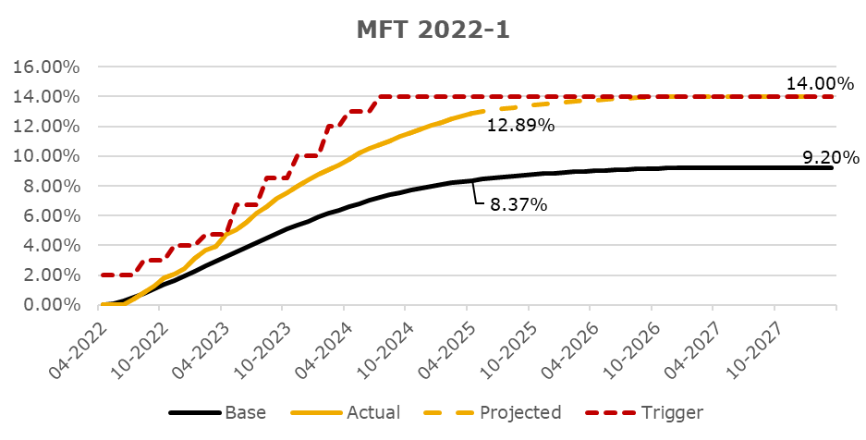

Rating Sensitivity Analysis

MFT 2022-2
Deal Notes
Marlette Funding Trust 2022-2 (MFT 2022-2):
- Target overcollateralization: The overcollateralization (“O/C”) target is 15.50% of the current pool balance, subject to a floor of 1.00% of the initial pool balance.
- Required Reserve: The required reserve amount is 0.43% of the initial pool balance. This is a non-declining reserve account which will continue to make up a greater percentage of the pool balance as the pool amortizes.
Commentary:
- Based upon performance to date, KBRA projects losses to be 14.50%, an increase from the level projected during the prior review (November 2024).
- Target O/C was met in month two (September 2022); however, has generally been declining since the November 2024 distribution period. Current O/C represents 2.04% of the initial pool balance and 14.67% of the current pool balance.
- The current reserve amount is 3.10% of the current pool balance.
- To date, there has been no breach of the trigger. Under KBRA’s current base case scenario, the trigger is expected to be breached in the future; however, changes in delinquency roll rates, monthly default rates or extensions and modifications could impact the potential trigger breach.

CNL Analysis
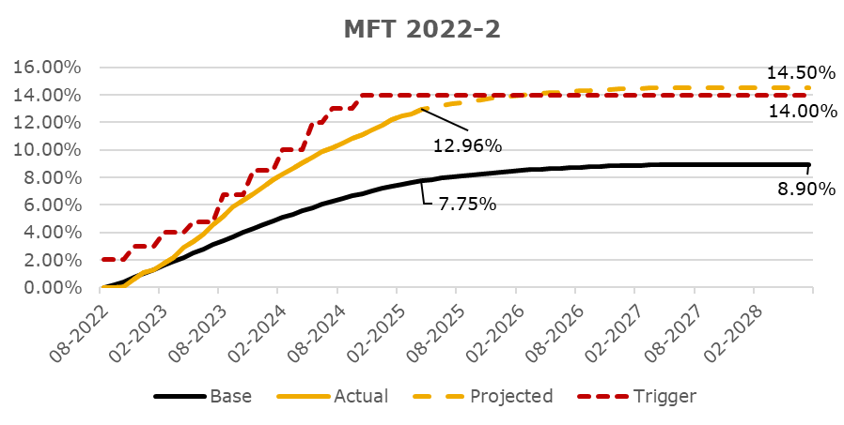

Rating Sensitivity Analysis
The ratings assigned to MFT 2022-2 will continue to be monitored through the life of the transaction. If performance of the transaction, including losses, differs meaningfully from the expected levels, KBRA may consider making a rating change. The remaining investment grade class has ample credit support and is well insulated from negative rating migration even with a significant increase in CNL. It should be noted that many factors, including economic stress, market conditions and servicing operations can impact the performance of the loan pool and influence rating decisions, both positively and negatively. Furthermore, KBRA considers the current credit enhancement available to the transaction as well as KBRA’s assumptions regarding the timing of losses.

MFT 2022-3
Deal Notes
Marlette Funding Trust 2022-3 (MFT 2022-3):
- Target overcollateralization: The overcollateralization (“O/C”) target is 16.15% of the current pool balance, subject to a floor of 1.00% of the initial pool balance.
- Required Reserve: The required reserve amount is 0.44% of the initial pool balance. This is a non-declining reserve account which will continue to make up a greater percentage of the pool balance as the pool amortizes.
Commentary:
- Based upon performance to date, KBRA projects losses to be 14.25%, an increase from the level projected during the prior review (November 2024).
- Target O/C was met in month four (February 2023). Current O/C represents 3.06% of the initial pool balance and 16.15% of the current pool balance.
- The current reserve amount is 2.30% of the current pool balance.
- To date, there has been no breach of the trigger. Under KBRA’s current base case scenario, the trigger is expected to be breached in the future; however, changes in delinquency roll rates, monthly default rates or extensions and modifications could impact the potential trigger breach.

CNL Analysis
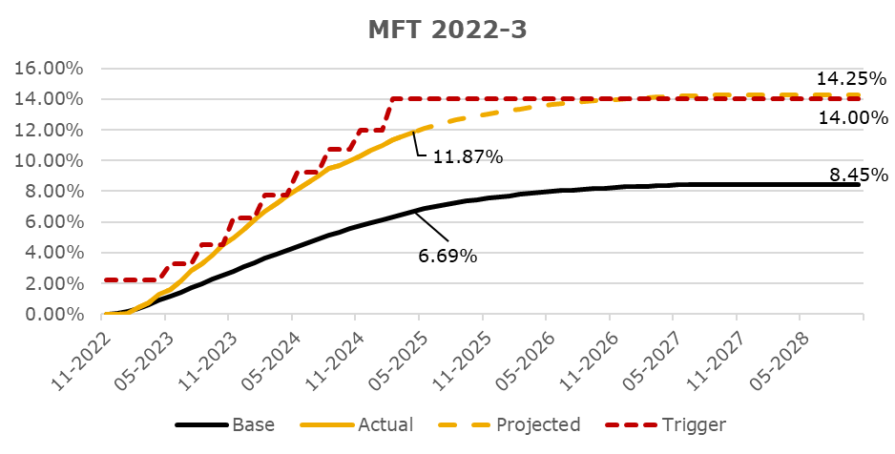

Rating Sensitivity Analysis

MFT 2023-1
Deal Notes
Marlette Funding Trust 2023-1 (MFT 2023-1):
- Target overcollateralization: The overcollateralization (“O/C”) target is 16.20% of the current pool balance, subject to a floor of 1.00% of the initial pool balance.
- Required Reserve: The required reserve amount is 0.42% of the initial pool balance. This is a non-declining reserve account which will continue to make up a greater percentage of the pool balance as the pool amortizes.
Commentary:
- Based upon performance to date, KBRA projects losses to be 13.25%, an increase from the level projected during the prior review (November 2024).
- Target O/C was met in month two (May 2023) and has remained at the target since.
- The current reserve amount is 1.60% of the current pool balance.

CNL Analysis
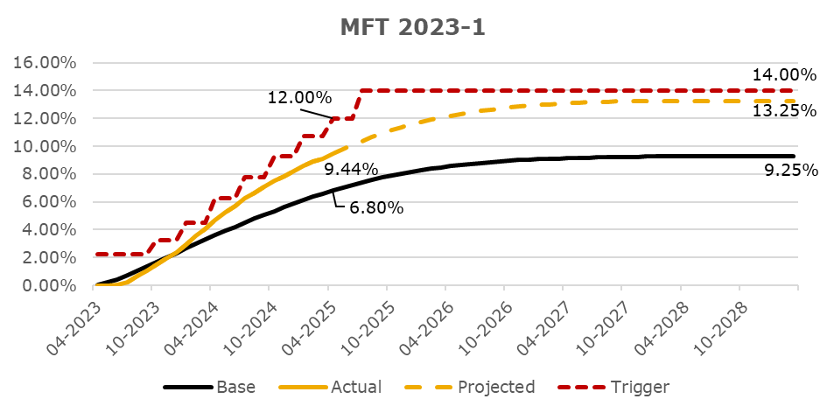

Rating Sensitivity Analysis

MFT 2023-2
Deal Notes
Marlette Funding Trust 2023-2 (MFT 2023-2):
- Target overcollateralization: The overcollateralization (“O/C”) target is 16.30% of the current pool balance, subject to a floor of 1.00% of the initial pool balance.
- Required Reserve: The required reserve amount is 0.43% of the initial pool balance. This is a non-declining reserve account which will continue to make up a greater percentage of the pool balance as the pool amortizes.
Commentary:
- Based upon performance to date, KBRA projects losses to be 13.50%, an increase from the level projected during the prior review (November 2024).
- Target O/C was met in month three (August 2023) and has remained at the target since.
- The current reserve amount is 1.39% of the current pool balance.

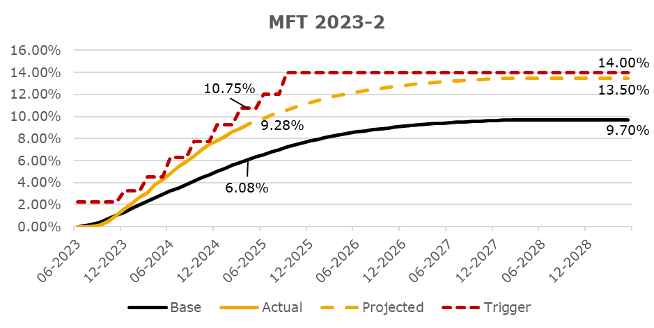
CNL Analysis

Rating Sensitivity Analysis

MFT 2023-3
Deal Notes
Marlette Funding Trust 2023-3 (MFT 2023-3):
- Target overcollateralization: The overcollateralization (“O/C”) target is 18.50% of the current pool balance, subject to a floor of 1.00% of the initial pool balance.
- Required Reserve: The required reserve amount is 0.42% of the initial pool balance. This is a non-declining reserve account which will continue to make up a greater percentage of the pool balance as the pool amortizes.
Commentary:
- Based upon performance to date, KBRA projects losses to be 13.25%, an increase from the level projected during the prior review (November 2024).
- Target O/C was met in month three (November 2023) and has remained at the target since.
- The current reserve amount is 1.15% of the current pool balance.

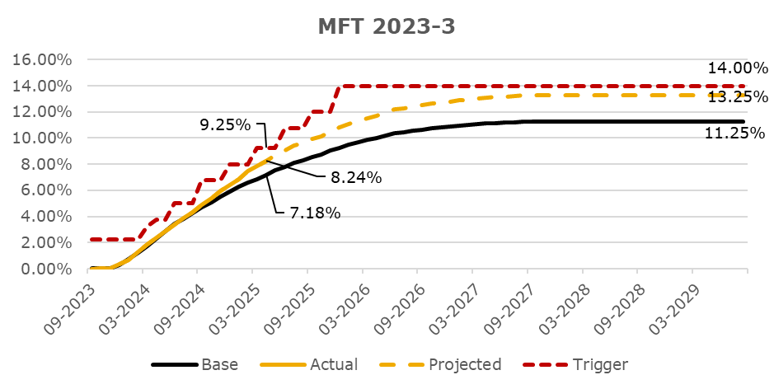
CNL Analysis

Rating Sensitivity Analysis

MFT 2023-4
Deal Notes
Marlette Funding Trust 2023-4 (MFT 2023-4):
- Target overcollateralization: The overcollateralization (“O/C”) target is 17.00% of the current pool balance, subject to a floor of 1.00% of the initial pool balance.
- Required Reserve: The required reserve amount is 0.42% of the initial pool balance. This is a non-declining reserve account which will continue to make up a greater percentage of the pool balance as the pool amortizes.
Commentary:
- Based upon performance to date, KBRA projects losses to be 11.25%, an increase from the level projected during the prior review (November 2024).
- Target O/C was met in month three (February 2024) and has remained at the target since.
- The current reserve amount is 0.96% of the current pool balance.

CNL Analysis
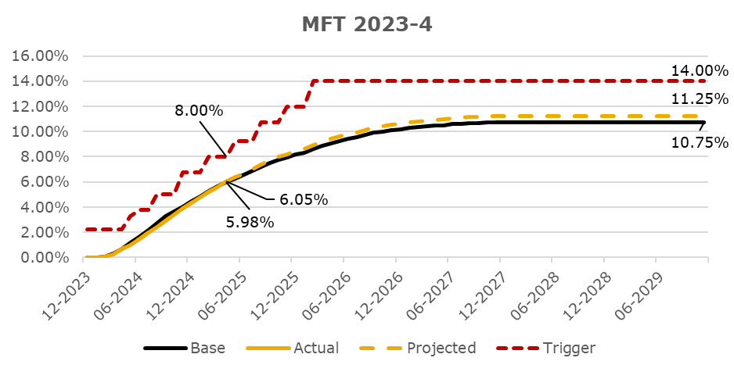

Rating Sensitivity Analysis

MFT 2024-1
Deal Notes
Marlette Funding Trust 2024-1 (MFT 2024-1):
- Target overcollateralization: The overcollateralization (“O/C”) target is 17.48% of the current pool balance, subject to a floor of 1.00% of the initial pool balance.
- Required Reserve: The required reserve amount is 0.43% of the initial pool balance. This is a non-declining reserve account which will continue to make up a greater percentage of the pool balance as the pool amortizes.
Commentary:
- Based upon performance to date, KBRA projects losses to be 10.00%, an increase from the level projected at closing (May 2024).
- Target O/C was met in month four (October 2024) and has remained at the target since.
- The current reserve amount is 0.72% of the current pool balance.

CNL Analysis
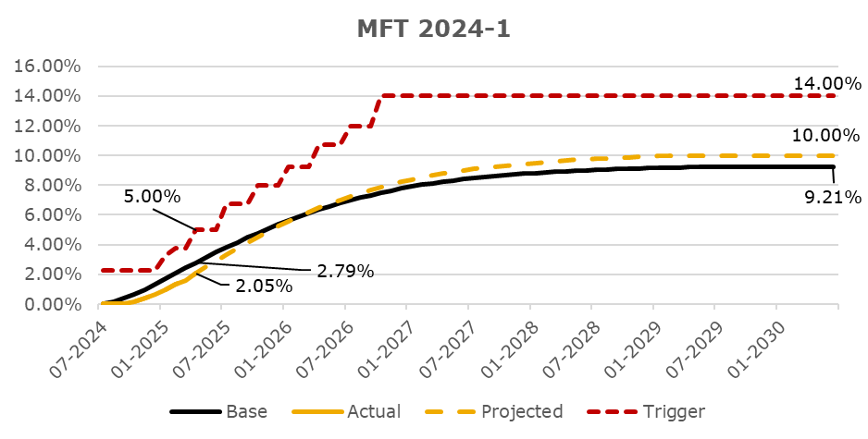

Rating Sensitivity Analysis

